Q1-Q2
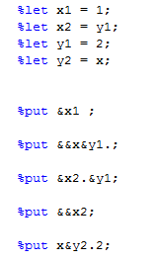
MA 603 Exam 2 (Part I)
each question on Part I is worth 5 points
Name:

1. Given the input datasets below, indicate for each code the number of variables and observations that would be in the Chemistry dataset.

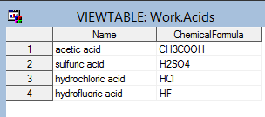
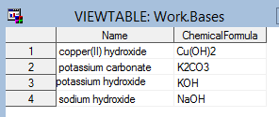

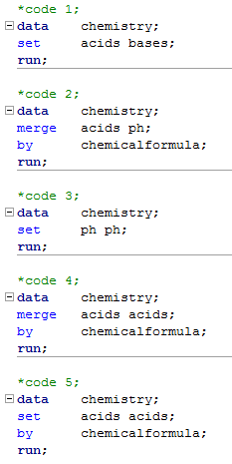

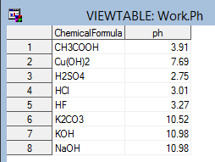

 | Code | Vars | Obs
 | 1
 | 2
 | 3
 | 4
 | 5

2. Given the four macro variables defined below, resolve each of the five macro references

Q3-Q4
3. Use the dataset and code below:

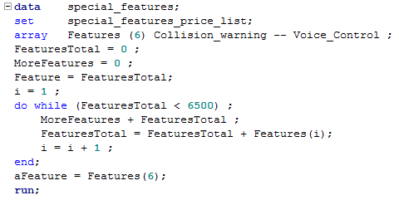

What is the value of the following variables in the special_features dataset?

 | Variable | Value
 | Features_Total
 | More_Features
 | Feature
 | i
 | aFeature

4. Proc Reg was used to generate the output below.

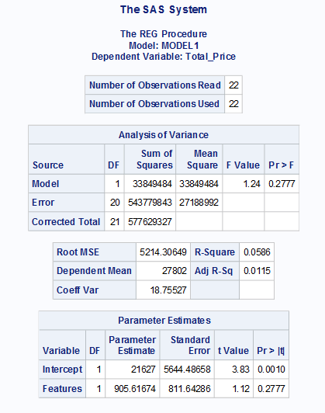

 | a) What is the regression equation (2 pts.)?

 | b) Is the model a good fit for the data? Why or why not (3 pts.)?

